Sheet1
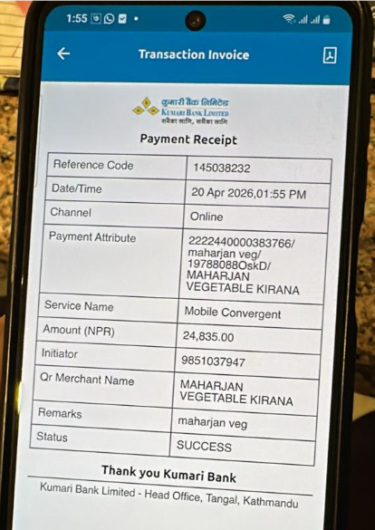
Huadu
APRIL,2026
Date | Bill no | Amount

2026-04-02 | 293 | 2660
2026-04-04 | 294 | 1175
2026-04-06 | 295 | 6565
2026-04-08 | 296 | 4340
2026-04-12 | 297 | 4575
2026-04-14 | 299 | 1300
2026-04-15 | 101 | 1930
2026-04-16 | 102 | 2300

Total |  | 24845

Sheet2
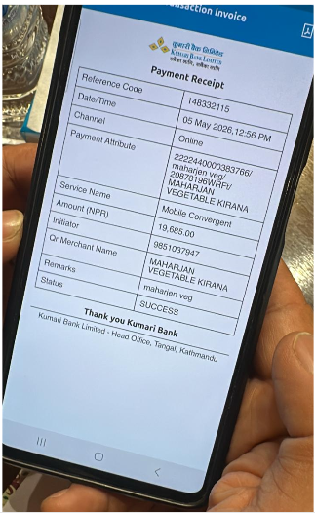
Huadu
APRIL,2026
Date | Bill no | Amount
2026-04-17 | 292 | 695
2026-04-17 | 103 | 1205
2026-04-19 | 104 | 2875
2026-04-19 | 105 | 470
2026-04-21 | 106 | 1480
2026-04-22 | 107 | 845
2026-04-24 | 108 | 2130
2026-04-26 | 109 | 3530
2026-04-29 | 110 | 6300
2026-04-30 | 111 | 170

Total |  | 19700

Sheet3
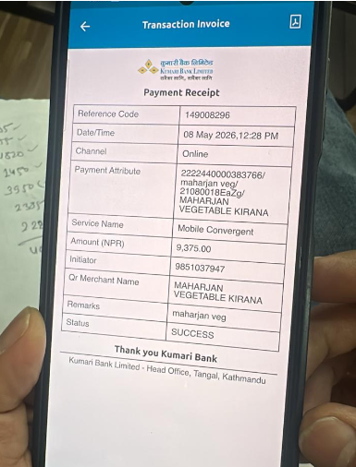
Huadu
May,2026
Date | Bill no | Amount

2026-05-01 | 112 | 810
2026-05-03 | 113 | 2820
2026-05-04 | 114 | 1095
2026-05-06 | 115 | 2350
2026-05-07 | 116 | 2310

Total |  | 9385

Sheet4
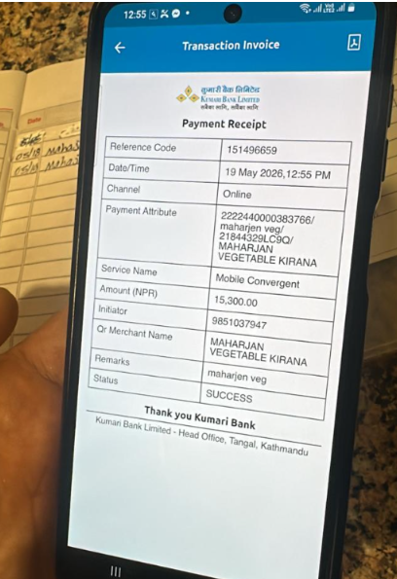
Huadu
May,2026
Date | Bill no | Amount

2026-05-09 | 117 | 380
2026-05-10 | 118 | 9800
2026-05-13 | 119 | 3735
2026-05-15 | 120 | 470
2026-05-17 | 121 | 920

Total |  | 15305

